participant 2
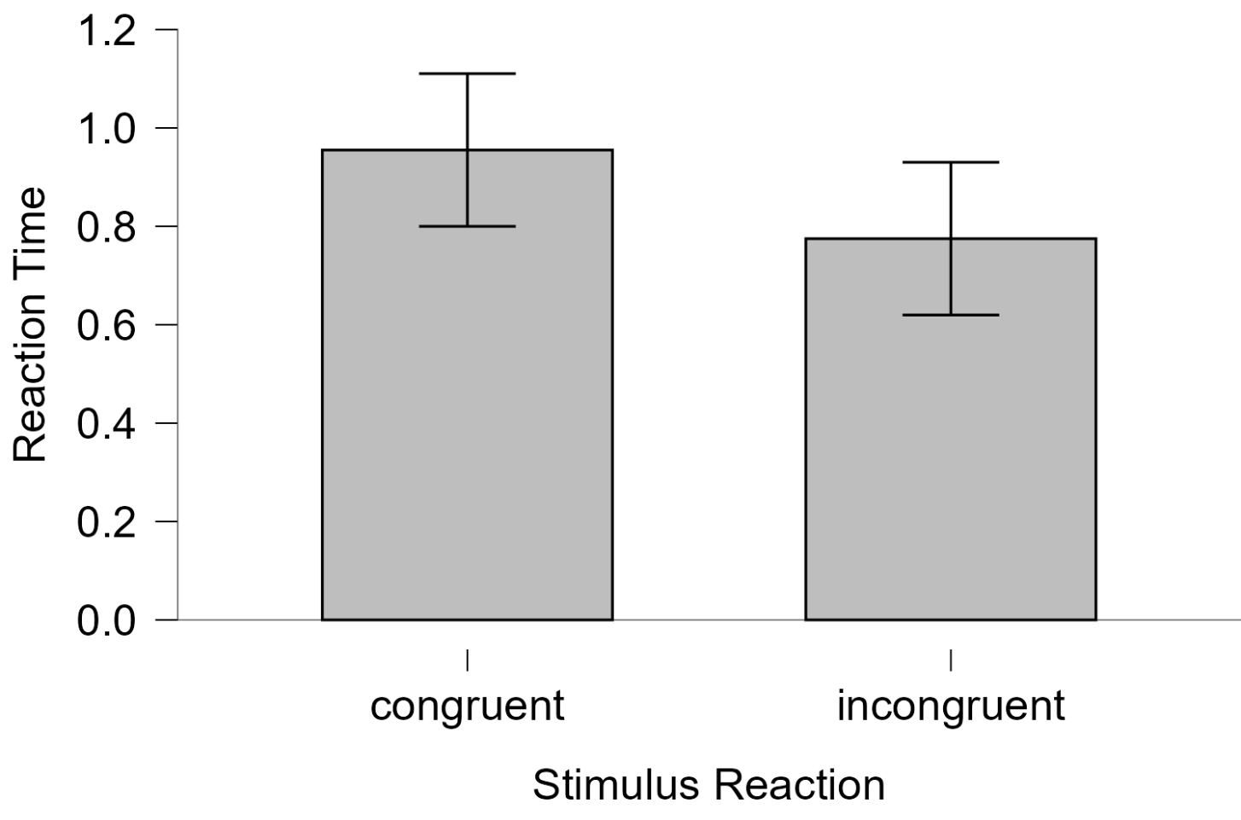
Word | Color | Stimulus_cond | Corr_res | thisN | thisTrialN | thisRepN | key_resp.keys | key_resp.corr | key_resp.rt | key_resp.duration | trials.thisRepN | trials.thisTrialN | trials.thisN | trials.thisIndex | thisRow.t | notes | Instructions.started | text_2.started | text_2.stopped | Instructions.stopped | trial.started | Fixation.started | Fixation.stopped | text.started | key_resp.started | trial.stopped | trials.key_resp.keys | trials.key_resp.corr | trials.key_resp.rt | trials.key_resp.duration | Thankyou.started | text_3.started | text_3.stopped | Thankyou.stopped | participant | session | date | expName | expVersion | psychopyVersion | frameRate | expStart | congruent | incongruent
 |  |  |  |  |  |  |  |  |  |  |  |  |  |  |  |  | 0.0038866 | 0.0151386 | 1.0376804 | 1.0000179 |  |  |  |  |  |  |  |  |  |  |  |  |  |  | 913925 | 1 | 2025-08-26_10h46.59.791 | Stroop effect |  | 2025.1.1 | 60.17545961 | 2025-08-26 10h47.00.897465 +0530 | 0.5532916 | 0.795541
RED | Blue | I | b | 0 | 0 | 0 | b | 1 | 0.795541 | None | 0 | 0 | 0 | 1 | 1.0376804 |  |  |  |  |  | 1.0302839 | 1.0376804 | 1.4992685 | 1.4992685 | 1.4992685 | 2.3103894 | b | 1 | 0.795541 | None |  |  |  |  | 913925 | 1 | 2025-08-26_10h46.59.791 | Stroop effect |  | 2025.1.1 | 60.17545961 | 2025-08-26 10h47.00.897465 +0530 | 0.6473412 | 0.7454374
BLUE | Blue | C | b | 1 | 1 | 0 | b | 1 | 0.5532916 | None | 0 | 1 | 1 | 2 | 2.3286083 |  |  |  |  |  | 2.3205327 | 2.3286083 | 2.8152312 | 2.8152312 | 2.8152312 | 3.3829157 | b | 1 | 0.5532916 | None |  |  |  |  | 913925 | 1 | 2025-08-26_10h46.59.791 | Stroop effect |  | 2025.1.1 | 60.17545961 | 2025-08-26 10h47.00.897465 +0530 | 0.4437709 | 0.4705377
BLUE | Red | I | r | 2 | 2 | 0 | r | 1 | 0.7454374 | None | 0 | 2 | 2 | 3 | 3.3988105 |  |  |  |  |  | 3.3844893 | 3.3988105 | 3.8985303 | 3.8985303 | 3.8985303 | 4.6505072 | r | 1 | 0.7454374 | None |  |  |  |  | 913925 | 1 | 2025-08-26_10h46.59.791 | Stroop effect |  | 2025.1.1 | 60.17545961 | 2025-08-26 10h47.00.897465 +0530 | 0.4510524 | 0.8821911
RED | Red | C | r | 3 | 3 | 0 | r | 1 | 0.6473412 | None | 0 | 3 | 3 | 0 | 4.6654396 |  |  |  |  |  | 4.6563787 | 4.6654396 | 5.1658869 | 5.1658869 | 5.1658869 | 5.8168649 | r | 1 | 0.6473412 | None |  |  |  |  | 913925 | 1 | 2025-08-26_10h46.59.791 | Stroop effect |  | 2025.1.1 | 60.17545961 | 2025-08-26 10h47.00.897465 +0530 | 0.779289 | 0.6911286
BLUE | Blue | C | b | 4 | 0 | 1 | b | 1 | 0.4437709 | None | 1 | 0 | 4 | 2 | 5.8324463 |  |  |  |  |  | 5.8218974 | 5.8324463 | 6.3327557 | 6.3327557 | 6.3327557 | 6.7837518 | b | 1 | 0.4437709 | None |  |  |  |  | 913925 | 1 | 2025-08-26_10h46.59.791 | Stroop effect |  | 2025.1.1 | 60.17545961 | 2025-08-26 10h47.00.897465 +0530 | 1.2114311 | 0.4727503
RED | Blue | I | b | 5 | 1 | 1 | b | 1 | 0.4705377 | None | 1 | 1 | 5 | 1 | 6.7991218 |  |  |  |  |  | 6.788978 | 6.7991218 | 7.2992915 | 7.2992915 | 7.2992915 | 7.7838493 | b | 1 | 0.4705377 | None |  |  |  |  | 913925 | 1 | 2025-08-26_10h46.59.791 | Stroop effect |  | 2025.1.1 | 60.17545961 | 2025-08-26 10h47.00.897465 +0530 | 4.2602247 | 0.3937869
RED | Red | C | r | 6 | 2 | 1 | r | 1 | 0.4510524 | None | 1 | 2 | 6 | 0 | 7.799583 |  |  |  |  |  | 7.7850772 | 7.799583 | 8.2992917 | 8.2992917 | 8.2992917 | 8.7666775 | r | 1 | 0.4510524 | None |  |  |  |  | 913925 | 1 | 2025-08-26_10h46.59.791 | Stroop effect |  | 2025.1.1 | 60.17545961 | 2025-08-26 10h47.00.897465 +0530 | 1.0643828 | 0.9112161
BLUE | Red | I | r | 7 | 3 | 1 | r | 1 | 0.8821911 | None | 1 | 3 | 7 | 3 | 8.7825643 |  |  |  |  |  | 8.7720838 | 8.7825643 | 9.2827414 | 9.2827414 | 9.2827414 | 10.166857 | r | 1 | 0.8821911 | None |  |  |  |  | 913925 | 1 | 2025-08-26_10h46.59.791 | Stroop effect |  | 2025.1.1 | 60.17545961 | 2025-08-26 10h47.00.897465 +0530 | 0.4753003 | 0.8314581
BLUE | Blue | C | b | 8 | 0 | 2 | b | 1 | 0.779289 | None | 2 | 0 | 8 | 2 | 10.1822856 |  |  |  |  |  | 10.167889 | 10.1822856 | 10.6822982 | 10.6822982 | 10.6822982 | 11.4668214 | b | 1 | 0.779289 | None |  |  |  |  | 913925 | 1 | 2025-08-26_10h46.59.791 | Stroop effect |  | 2025.1.1 | 60.17545961 | 2025-08-26 10h47.00.897465 +0530 | 0.6047963 | 1.6447938
BLUE | Red | I | r | 9 | 1 | 2 | r | 1 | 0.6911286 | None | 2 | 1 | 9 | 3 | 11.4824888 |  |  |  |  |  | 11.4679134 | 11.4824888 | 11.982918 | 11.982918 | 11.982918 | 12.6839308 | r | 1 | 0.6911286 | None |  |  |  |  | 913925 | 1 | 2025-08-26_10h46.59.791 | Stroop effect |  | 2025.1.1 | 60.17545961 | 2025-08-26 10h47.00.897465 +0530 | 0.5350406 | 0.4517476
RED | Red | C | r | 10 | 2 | 2 | r | 1 | 1.2114311 | None | 2 | 2 | 10 | 0 | 12.6991717 |  |  |  |  |  | 12.6893997 | 12.6991717 | 13.199224 | 13.199224 | 13.199224 | 14.4171187 | r | 1 | 1.2114311 | None |  |  |  |  | 913925 | 1 | 2025-08-26_10h46.59.791 | Stroop effect |  | 2025.1.1 | 60.17545961 | 2025-08-26 10h47.00.897465 +0530 | 0.5199059 | 0.5161246
RED | Blue | I | b | 11 | 3 | 2 | b | 1 | 0.4727503 | None | 2 | 3 | 11 | 1 | 14.4325314 |  |  |  |  |  | 14.4183849 | 14.4325314 | 14.9329916 | 14.9329916 | 14.9329916 | 15.4168716 | b | 1 | 0.4727503 | None |  |  |  |  | 913925 | 1 | 2025-08-26_10h46.59.791 | Stroop effect |  | 2025.1.1 | 60.17545961 | 2025-08-26 10h47.00.897465 +0530 | 0.5624624 | 0.6944166
RED | Blue | I | b | 12 | 0 | 3 | b | 1 | 0.3937869 | None | 3 | 0 | 12 | 1 | 15.4320981 |  |  |  |  |  | 15.4181235 | 15.4320981 | 15.9332141 | 15.9332141 | 15.9332141 | 16.3337368 | b | 1 | 0.3937869 | None |  |  |  |  | 913925 | 1 | 2025-08-26_10h46.59.791 | Stroop effect |  | 2025.1.1 | 60.17545961 | 2025-08-26 10h47.00.897465 +0530 | 0.8294011 | 1.529738
BLUE | Red | I | r | 13 | 1 | 3 | r | 1 | 0.9112161 | None | 3 | 1 | 13 | 3 | 16.3488249 |  |  |  |  |  | 16.3390761 | 16.3488249 | 16.8494841 | 16.8494841 | 16.8494841 | 17.76698 | r | 1 | 0.9112161 | None |  |  |  |  | 913925 | 1 | 2025-08-26_10h46.59.791 | Stroop effect |  | 2025.1.1 | 60.17545961 | 2025-08-26 10h47.00.897465 +0530 | 2.754154 | 0.9322165
RED | Red | C | r | 14 | 2 | 3 | r | 1 | 4.2602247 | None | 3 | 2 | 14 | 0 | 17.7825012 |  |  |  |  |  | 17.7720087 | 17.7825012 | 18.2825164 | 18.2825164 | 18.2825164 | 22.5504013 | r | 1 | 4.2602247 | None |  |  |  |  | 913925 | 1 | 2025-08-26_10h46.59.791 | Stroop effect |  | 2025.1.1 | 60.17545961 | 2025-08-26 10h47.00.897465 +0530 | 0.4058817 | 0.5299443
BLUE | Blue | C | b | 15 | 3 | 3 | b | 1 | 1.0643828 | None | 3 | 3 | 15 | 2 | 22.5656428 |  |  |  |  |  | 22.5557985 | 22.5656428 | 23.0660618 | 23.0660618 | 23.0660618 | 24.1344041 | b | 1 | 1.0643828 | None |  |  |  |  | 913925 | 1 | 2025-08-26_10h46.59.791 | Stroop effect |  | 2025.1.1 | 60.17545961 | 2025-08-26 10h47.00.897465 +0530 | 0.5255708 | 0.4413721
BLUE | Blue | C | b | 16 | 0 | 4 | b | 1 | 0.4753003 | None | 4 | 0 | 16 | 2 | 24.1487293 |  |  |  |  |  | 24.1354391 | 24.1487293 | 24.6494486 | 24.6494486 | 24.6494486 | 25.1332755 | b | 1 | 0.4753003 | None |  |  |  |  | 913925 | 1 | 2025-08-26_10h46.59.791 | Stroop effect |  | 2025.1.1 | 60.17545961 | 2025-08-26 10h47.00.897465 +0530 | 1.2941816 | 0.4435252
RED | Red | C | r | 17 | 1 | 4 | r | 1 | 0.6047963 | None | 4 | 1 | 17 | 0 | 25.149115 |  |  |  |  |  | 25.1385955 | 25.149115 | 25.6320565 | 25.6320565 | 25.6320565 | 26.2502583 | r | 1 | 0.6047963 | None |  |  |  |  | 913925 | 1 | 2025-08-26_10h46.59.791 | Stroop effect |  | 2025.1.1 | 60.17545961 | 2025-08-26 10h47.00.897465 +0530 | 0.9853059 | 0.8831851
BLUE | Red | I | r | 18 | 2 | 4 | b | 0 | 0.8314581 | None | 4 | 2 | 18 | 3 | 26.2656866 |  |  |  |  |  | 26.2553783 | 26.2656866 | 26.7660707 | 26.7660707 | 26.7660707 | 27.6009737 | b | 0 | 0.8314581 | None |  |  |  |  | 913925 | 1 | 2025-08-26_10h46.59.791 | Stroop effect |  | 2025.1.1 | 60.17545961 | 2025-08-26 10h47.00.897465 +0530 | 0.5830373 | 1.4789984
RED | Blue | I | b | 19 | 3 | 4 | b | 1 | 1.6447938 | None | 4 | 3 | 19 | 1 | 27.6154614 |  |  |  |  |  | 27.6063833 | 27.6154614 | 28.1160992 | 28.1160992 | 28.1160992 | 29.7668324 | b | 1 | 1.6447938 | None |  |  |  |  | 913925 | 1 | 2025-08-26_10h46.59.791 | Stroop effect |  | 2025.1.1 | 60.17545961 | 2025-08-26 10h47.00.897465 +0530 | 0.3757108 | 0.8001107
RED | Blue | I | b | 20 | 0 | 5 | b | 1 | 0.4517476 | None | 5 | 0 | 20 | 1 | 29.7825158 |  |  |  |  |  | 29.7679489 | 29.7825158 | 30.2829031 | 30.2829031 | 30.2829031 | 30.750386 | b | 1 | 0.4517476 | None |  |  |  |  | 913925 | 1 | 2025-08-26_10h46.59.791 | Stroop effect |  | 2025.1.1 | 60.17545961 | 2025-08-26 10h47.00.897465 +0530 | 1.1509072 | 0.5079117
RED | Red | C | r | 21 | 1 | 5 | r | 1 | 0.5350406 | None | 5 | 1 | 21 | 0 | 30.7659458 |  |  |  |  |  | 30.751519 | 30.7659458 | 31.2662164 | 31.2662164 | 31.2662164 | 31.8169614 | r | 1 | 0.5350406 | None |  |  |  |  | 913925 | 1 | 2025-08-26_10h46.59.791 | Stroop effect |  | 2025.1.1 | 60.17545961 | 2025-08-26 10h47.00.897465 +0530
BLUE | Red | I | r | 22 | 2 | 5 | r | 1 | 0.5161246 | None | 5 | 2 | 22 | 3 | 31.8324747 |  |  |  |  |  | 31.8222755 | 31.8324747 | 32.3330712 | 32.3330712 | 32.3330712 | 32.8500527 | r | 1 | 0.5161246 | None |  |  |  |  | 913925 | 1 | 2025-08-26_10h46.59.791 | Stroop effect |  | 2025.1.1 | 60.17545961 | 2025-08-26 10h47.00.897465 +0530
BLUE | Blue | C | b | 23 | 3 | 5 | b | 1 | 0.5199059 | None | 5 | 3 | 23 | 2 | 32.8656239 |  |  |  |  |  | 32.8511399 | 32.8656239 | 33.3495416 | 33.3495416 | 33.3495416 | 33.8839505 | b | 1 | 0.5199059 | None |  |  |  |  | 913925 | 1 | 2025-08-26_10h46.59.791 | Stroop effect |  | 2025.1.1 | 60.17545961 | 2025-08-26 10h47.00.897465 +0530
RED | Blue | I | b | 24 | 0 | 6 | b | 1 | 0.6944166 | None | 6 | 0 | 24 | 1 | 33.8986971 |  |  |  |  |  | 33.8892999 | 33.8986971 | 34.3992669 | 34.3992669 | 34.3992669 | 35.1003179 | b | 1 | 0.6944166 | None |  |  |  |  | 913925 | 1 | 2025-08-26_10h46.59.791 | Stroop effect |  | 2025.1.1 | 60.17545961 | 2025-08-26 10h47.00.897465 +0530
BLUE | Blue | C | b | 25 | 1 | 6 | b | 1 | 0.5624624 | None | 6 | 1 | 25 | 2 | 35.1156251 |  |  |  |  |  | 35.1056046 | 35.1156251 | 35.6158891 | 35.6158891 | 35.6158891 | 36.1836661 | b | 1 | 0.5624624 | None |  |  |  |  | 913925 | 1 | 2025-08-26_10h46.59.791 | Stroop effect |  | 2025.1.1 | 60.17545961 | 2025-08-26 10h47.00.897465 +0530
RED | Red | C | r | 26 | 2 | 6 | r | 1 | 0.8294011 | None | 6 | 2 | 26 | 0 | 36.1992962 |  |  |  |  |  | 36.1888039 | 36.1992962 | 36.6994794 | 36.6994794 | 36.6994794 | 37.5340951 | r | 1 | 0.8294011 | None |  |  |  |  | 913925 | 1 | 2025-08-26_10h46.59.791 | Stroop effect |  | 2025.1.1 | 60.17545961 | 2025-08-26 10h47.00.897465 +0530
BLUE | Red | I | r | 27 | 3 | 6 | r | 1 | 1.529738 | None | 6 | 3 | 27 | 3 | 37.5489453 |  |  |  |  |  | 37.5396638 | 37.5489453 | 38.0496717 | 38.0496717 | 38.0496717 | 39.5843937 | r | 1 | 1.529738 | None |  |  |  |  | 913925 | 1 | 2025-08-26_10h46.59.791 | Stroop effect |  | 2025.1.1 | 60.17545961 | 2025-08-26 10h47.00.897465 +0530
BLUE | Red | I | r | 28 | 0 | 7 | r | 1 | 0.9322165 | None | 7 | 0 | 28 | 3 | 39.5991015 |  |  |  |  |  | 39.5857603 | 39.5991015 | 40.0992486 | 40.0992486 | 40.0992486 | 41.0336607 | r | 1 | 0.9322165 | None |  |  |  |  | 913925 | 1 | 2025-08-26_10h46.59.791 | Stroop effect |  | 2025.1.1 | 60.17545961 | 2025-08-26 10h47.00.897465 +0530
RED | Red | C | r | 29 | 1 | 7 | r | 1 | 2.754154 | None | 7 | 1 | 29 | 0 | 41.0487829 |  |  |  |  |  | 41.038866 | 41.0487829 | 41.5325668 | 41.5325668 | 41.5325668 | 44.3005974 | r | 1 | 2.754154 | None |  |  |  |  | 913925 | 1 | 2025-08-26_10h46.59.791 | Stroop effect |  | 2025.1.1 | 60.17545961 | 2025-08-26 10h47.00.897465 +0530
RED | Blue | I | b | 30 | 2 | 7 | b | 1 | 0.5299443 | None | 7 | 2 | 30 | 1 | 44.3155334 |  |  |  |  |  | 44.3016654 | 44.3155334 | 44.8161747 | 44.8161747 | 44.8161747 | 45.3503423 | b | 1 | 0.5299443 | None |  |  |  |  | 913925 | 1 | 2025-08-26_10h46.59.791 | Stroop effect |  | 2025.1.1 | 60.17545961 | 2025-08-26 10h47.00.897465 +0530
BLUE | Blue | C | b | 31 | 3 | 7 | b | 1 | 0.4058817 | None | 7 | 3 | 31 | 2 | 45.3656472 |  |  |  |  |  | 45.3559667 | 45.3656472 | 45.8657887 | 45.8657887 | 45.8657887 | 46.2835421 | b | 1 | 0.4058817 | None |  |  |  |  | 913925 | 1 | 2025-08-26_10h46.59.791 | Stroop effect |  | 2025.1.1 | 60.17545961 | 2025-08-26 10h47.00.897465 +0530
BLUE | Red | I | r | 32 | 0 | 8 | r | 1 | 0.4413721 | None | 8 | 0 | 32 | 3 | 46.2991303 |  |  |  |  |  | 46.2847593 | 46.2991303 | 46.7997777 | 46.7997777 | 46.7997777 | 47.250599 | r | 1 | 0.4413721 | None |  |  |  |  | 913925 | 1 | 2025-08-26_10h46.59.791 | Stroop effect |  | 2025.1.1 | 60.17545961 | 2025-08-26 10h47.00.897465 +0530
RED | Blue | I | b | 33 | 1 | 8 | b | 1 | 0.4435252 | None | 8 | 1 | 33 | 1 | 47.2656919 |  |  |  |  |  | 47.2556559 | 47.2656919 | 47.7659101 | 47.7659101 | 47.7659101 | 48.2166003 | b | 1 | 0.4435252 | None |  |  |  |  | 913925 | 1 | 2025-08-26_10h46.59.791 | Stroop effect |  | 2025.1.1 | 60.17545961 | 2025-08-26 10h47.00.897465 +0530
BLUE | Blue | C | b | 34 | 2 | 8 | b | 1 | 0.5255708 | None | 8 | 2 | 34 | 2 | 48.2325797 |  |  |  |  |  | 48.2215391 | 48.2325797 | 48.7161381 | 48.7161381 | 48.7161381 | 49.2504091 | b | 1 | 0.5255708 | None |  |  |  |  | 913925 | 1 | 2025-08-26_10h46.59.791 | Stroop effect |  | 2025.1.1 | 60.17545961 | 2025-08-26 10h47.00.897465 +0530
RED | Red | C | r | 35 | 3 | 8 | r | 1 | 1.2941816 | None | 8 | 3 | 35 | 0 | 49.2658009 |  |  |  |  |  | 49.2555962 | 49.2658009 | 49.7659606 | 49.7659606 | 49.7659606 | 51.0663276 | r | 1 | 1.2941816 | None |  |  |  |  | 913925 | 1 | 2025-08-26_10h46.59.791 | Stroop effect |  | 2025.1.1 | 60.17545961 | 2025-08-26 10h47.00.897465 +0530
RED | Red | C | r | 36 | 0 | 9 | r | 1 | 0.9853059 | None | 9 | 0 | 36 | 0 | 51.0825366 |  |  |  |  |  | 51.0674674 | 51.0825366 | 51.5664633 | 51.5664633 | 51.5664633 | 52.5664074 | r | 1 | 0.9853059 | None |  |  |  |  | 913925 | 1 | 2025-08-26_10h46.59.791 | Stroop effect |  | 2025.1.1 | 60.17545961 | 2025-08-26 10h47.00.897465 +0530
RED | Blue | I | b | 37 | 1 | 9 | b | 1 | 0.8831851 | None | 9 | 1 | 37 | 1 | 52.5819298 |  |  |  |  |  | 52.5677412 | 52.5819298 | 53.0670316 | 53.0670316 | 53.0670316 | 53.9665162 | b | 1 | 0.8831851 | None |  |  |  |  | 913925 | 1 | 2025-08-26_10h46.59.791 | Stroop effect |  | 2025.1.1 | 60.17545961 | 2025-08-26 10h47.00.897465 +0530
BLUE | Blue | C | b | 38 | 2 | 9 | b | 1 | 0.5830373 | None | 9 | 2 | 38 | 2 | 53.9829954 |  |  |  |  |  | 53.971555 | 53.9829954 | 54.4660027 | 54.4660027 | 54.4660027 | 55.0499044 | b | 1 | 0.5830373 | None |  |  |  |  | 913925 | 1 | 2025-08-26_10h46.59.791 | Stroop effect |  | 2025.1.1 | 60.17545961 | 2025-08-26 10h47.00.897465 +0530
BLUE | Red | I | r | 39 | 3 | 9 | r | 1 | 1.4789984 | None | 9 | 3 | 39 | 3 | 55.0661429 |  |  |  |  |  | 55.0509663 | 55.0661429 | 55.5492348 | 55.5492348 | 55.5492348 | 57.0332352 | r | 1 | 1.4789984 | None |  |  |  |  | 913925 | 1 | 2025-08-26_10h46.59.791 | Stroop effect |  | 2025.1.1 | 60.17545961 | 2025-08-26 10h47.00.897465 +0530
RED | Red | C | r | 40 | 0 | 10 | r | 1 | 0.3757108 | None | 10 | 0 | 40 | 0 | 57.0489209 |  |  |  |  |  | 57.0381901 | 57.0489209 | 57.532571 | 57.532571 | 57.532571 | 57.917097 | r | 1 | 0.3757108 | None |  |  |  |  | 913925 | 1 | 2025-08-26_10h46.59.791 | Stroop effect |  | 2025.1.1 | 60.17545961 | 2025-08-26 10h47.00.897465 +0530
BLUE | Red | I | r | 41 | 1 | 10 | r | 1 | 0.8001107 | None | 10 | 1 | 41 | 3 | 57.9327018 |  |  |  |  |  | 57.9221762 | 57.9327018 | 58.4328434 | 58.4328434 | 58.4328434 | 59.250294 | r | 1 | 0.8001107 | None |  |  |  |  | 913925 | 1 | 2025-08-26_10h46.59.791 | Stroop effect |  | 2025.1.1 | 60.17545961 | 2025-08-26 10h47.00.897465 +0530
RED | Blue | I | b | 42 | 2 | 10 | b | 1 | 0.5079117 | None | 10 | 2 | 42 | 1 | 59.2657224 |  |  |  |  |  | 59.2555255 | 59.2657224 | 59.7661767 | 59.7661767 | 59.7661767 | 60.2830687 | b | 1 | 0.5079117 | None |  |  |  |  | 913925 | 1 | 2025-08-26_10h46.59.791 | Stroop effect |  | 2025.1.1 | 60.17545961 | 2025-08-26 10h47.00.897465 +0530
BLUE | Blue | C | b | 43 | 3 | 10 | b | 1 | 1.1509072 | None | 10 | 3 | 43 | 2 | 60.2991417 |  |  |  |  |  | 60.2881436 | 60.2991417 | 60.7827547 | 60.7827547 | 60.7827547 | 61.9501547 | b | 1 | 1.1509072 | None |  |  |  |  | 913925 | 1 | 2025-08-26_10h46.59.791 | Stroop effect |  | 2025.1.1 | 60.17545961 | 2025-08-26 10h47.00.897465 +0530
 |  |  |  |  |  |  |  |  |  |  |  |  |  |  |  |  |  |  |  |  |  |  |  |  |  |  |  |  |  |  | 61.9504772 | 61.9661528 | 62.966388 | 62.9501087 | 913925 | 1 | 2025-08-26_10h46.59.791 | Stroop effect |  | 2025.1.1 | 60.17545961 | 2025-08-26 10h47.00.897465 +0530

Results
Paired Samples T-Test
Paired Samples T-Test
Measure 1 |  |  |  | Measure 2 |  | t |  | df |  | p
congruent |  | - |  | incongruent |  | 0.821 |  | 21 |  | 0.421

Note. Student's t-test.

Descriptives

Descriptives
 |  | N |  | Mean |  | SD |  | SE |  | Coefficient of variation
congruent |  | 22 |  | 0.955 |  | 0.901 |  | 0.192 |  | 0.943
incongruent |  | 22 |  | 0.775 |  | 0.363 |  | 0.077 |  | 0.468

Descrptive Plots
Congruent-Incongruent
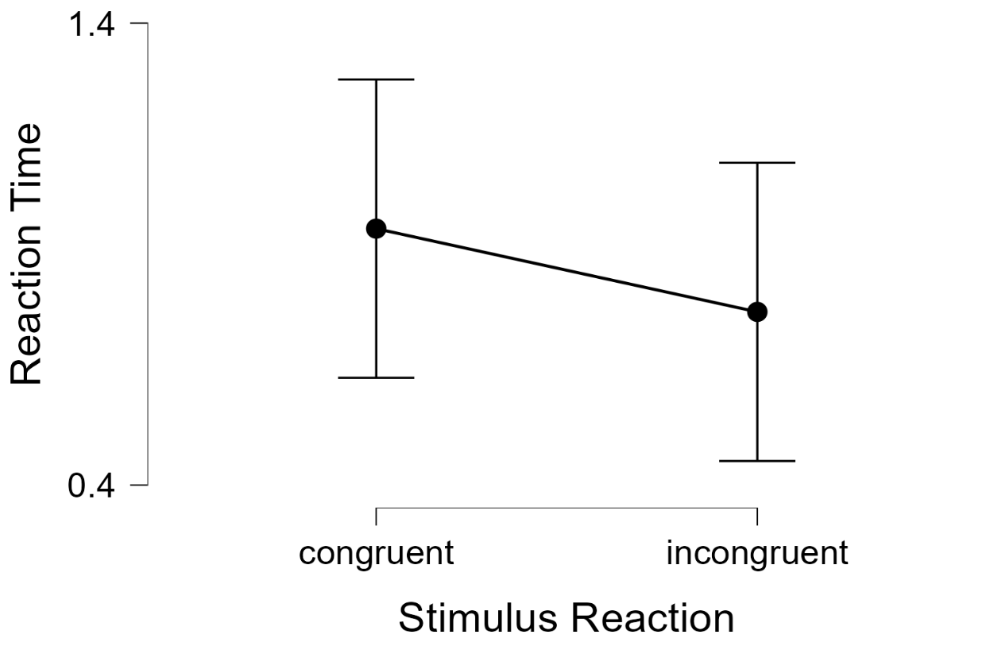

Bar Plots
Congruent-Incongruent

